PLOT TWIST!!
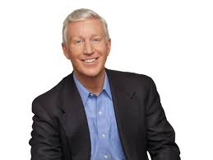
WRITE-IN CANDIDATE TED MORTON WINS ON FIRST BALLOT!

